1. Title Page
Instacart Grocery Basket Analysis

Project Name: Instacart Grocery Basket Analysis
Date: 31.12.2022
Analyst Name: Ponni Laxmi Rajakumar

Contents:
Population Flow
Consistency checks
Wrangling steps
Column derivations
Visualizations
Recommendations

Citation:
“The Instacart Online Grocery Shopping Dataset 2017”, Accessed from https://www.instacart.com/datasets/grocery-shopping-2017 on 10-29-2022
Region category - | List of regions of the United States - Simple English Wikipedia, the free encyclopedia
Note:
The customer data , including any personally identifying information, has been randomly generated by CareerFoundry for the purposes of this project

2. Population Flow
Population flow

Exclusion flag
Condition: max_order < 5
Obervations to be removed: 1440295
Final total count of order_products_all: 30964564

Orders_products_combined
Orders_products_merged
Orders_products_all

Total:
Total:
Total:

1.) The grey boxes in the first row of the population flow represent the original data sets as they were when you downloaded them. In the Total fields you need to add the count of the rows when you imported the data set into Jupyter.
2.) The second row of boxes (coloured) represents the data sets after you manipulated them, e.g., removed missing values and duplicates. In the Total fields you need to add the count of the rows after conducting these operations. This offers a visual oveview of how the data flows throughout the data consistency checks.
3.) The third row, where also the arrows are coloured, represents the merges you performed between the datasets. In the Total fields you need to add the count of the rows in the merged datasets, so that you end up with the final dataset (in the red box). Keep in mind the final dataset should be without exclusions (based on the exclusion flag).

3. Consistency checks
 |  |  |  | Title page
Consistency checks

Dataset | Missing values | Missing values treatment | Duplicates
orders | 206209 missing values found in 'days_since_prior_order' | Determined the missing values by df.isnull().sum() function and imputed with the flag value 999. | No duplicates found
products | 16 missing values found in 'product_name' | Created a new dataframe excluding missing values. | 5 duplicates found and removed
orders_products_prior | No missing values found | N/A | No duplicates found
customers | 11259 missing values found in first_name column | It cant be deleted as it might affect the analysis. We can leave the missing values as such. Missing values will be imputed as NaN | No duplicates found

4. Wrangling steps
 |  |  |  |  | Title page
Wrangling steps

Data Set | Columns dropped | Columns renamed | Columns' type changed | Comment/Reason
Orders | eval_set |  |  | this column was not required
 |  | order_dow |  | changed as order_day_of_the_week
 |  |  | order_number | changed from integer to string
 |  |  | order_id | changed from integer to string
 |  |  | user_id | changed from integer to string
 |  | user_id |  | changed as more appropriate name: customer_id
 |  |  | order_hour_of_day | changing from float to integer
departments |  |  |  | *Transposed the dataset from horizontal to vertical so that it is easier to read
 |  | index |  | Create a new header, remove the first row in the header and add new header
customer |  | user_id |  | The columns name errors have been renamed appropriately
 |  | first_name
 |  | last_name
 |  | gender
 |  | state
 |  | age
 |  | date_joined
 |  | no_of_dependants
 |  | marital_status
 |  | income($)
final data set (df_merged) | _merge |  |  | These columns have been removed has it is not used and to reduce the size of the file
 | order_frequency_flag
 | customer_frequency_flag
 | add_to cart_order
 | reordered
 |  |  | user_id | The columns have been converted from int64 to int8, to reduce size of the dataframe
 |  |  | order_id
 |  |  | order_number
 |  |  | order_dow
 |  |  | order_hour_of_day
 |  |  | product_id
 |  |  | department_id
 |  |  | max_order
 |  |  | age
 |  |  | no_of_dependants
 |  |  | days_since_prior_order | The columns have been converted from float64 to float16, to reduce size of the dataframe
 |  |  | prices
 |  |  | average_price

5. Column derivations
Column derivations and aggregations

Dataset | New column | Column/s it was derived from | Conditions
ords_prods_merged | price_range | prices | prices' > 15 = 'High range product,' 'prices' <= 15 & >5 = 'Mid-range product,' and 'prices'<5 = 'Low range product'
ords_prods_merged | busiest_days | order_dow | if 'order_day_of_week' = 0 or 1 return 'Busiest day' , else if 'order_day_of_week' = 4 or 3 return 'Least busy day,' else return 'Regularly busy'
ords_prods_merged | busiest_period_of_day | order_hour_of_day | if 'hour_order_placed' includes an hour between 9 and 16 return 'Most Orders,' else if 'hour_order_placed' includes 7,8 or 17 through 22 return 'Average Orders,' else if 'hour order placed includes hours zero through 6 or 23 return 'Fewest Orders'
ords_prods_merged | loyalty_flag | max_order | if 'max_order' >40 return 'Loyal customer,' else if 'max_order' <=40 & >10 return 'Regular customer,' else if 'max_order' <=10 return 'New customer'
ords_prods_merged | spending flag | prices | if 'prices' >=10 return 'High spender,' else if 'prices' <10 return 'Low spender'
ords_prods_merged | order_frequency | average_days_since_last_order | If 'avg_days_since_last_order' >20 return 'Non-frequent customer,' else if 'avg_days_since_last_order' >10 & <=20 return 'Regular customer,' else if 'avg_days_since_last_order' <=10 return 'Frequent customer'
ords_prods_merged | activity | max_order | If 'max_order' >=5 return 'normal,' else if 'max_order' <5 return 'low'
df_merged | family_status | no_of_dependants & department_id | if 'dependants' > 0 and 'department_id' includes 18 return family with young children, else if 'dependants' > 1 return 'family with older children,' else if dependants = 0 return 'no children'
df_merged | pet owners | department_id | if department_id 8 returns 'having pets' else 'no pets'
df_merged | age_category | age | age' between 17 and 30 = 'YOUNG ADULTS,' 'age' between 31 and 45 = 'middle aged adult,' 'age' above 46 = 'old adults'

price_range column value counts: |  | Mid range product 21860860
 |  | Low range product 10126321
 |  | High range product 417678

busiest_days value counts: |  | Regularly Busy 12916111
 |  | Busiest Day 11864412
 |  | Least Busy 7624336

busiest_period_of_day value counts: |  | Most Orders 21118071
 |  | Average Orders 9997651
 |  | Fewest Orders 1289137

loyalty_flag value counts: |  | Regular customer 15876776
 |  | Loyal customer 10284093
 |  | New customer 6243990

spending_flag value counts: |  | Low spender 21760937
 |  | High spender 10643922

order_frequency value counts: |  | Frequent customer 21559853
 |  | Regular customer 7208564
 |  | Non-frequent customer 3636437
 |  | NaN 5

activity column value counts: |  | normal 30964564
 |  | low 1440295

family_status value counts: |  | family with older children 22917819
 |  | no children 7739681
 |  | family with young children 307064

pet owners |  | having pets 30871504
 |  | no pets 93060

age category |  | old adults 17397507
 |  | middle aged adults 7262817
 |  | young adults 6304240

6. Visualizations
 |  | Title page

Visualisations

In this tab you should include all the visualtions from Exercises 4.9 and 4.10, alongside the questions from the project brief that they answer. Include any commentary on the relationship between different variables.

1. Number of orders by day of the week |  |  |  | 2. Busiest hour of the day
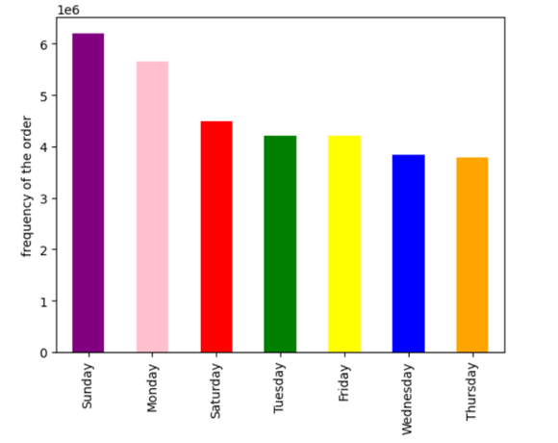

hour of the day

The two busiest days of the week are Sunday(day 0) and Monday(day 1). The traffic on the app tends to recede during the middle of the week and return towards the weekend
Most customer spending occurs during the hours of 8 am to 4pm. The most orders are placed during 10am.

3. Line graph between prices and order hour of the day |  |  | 4. No of orders by loyal customer
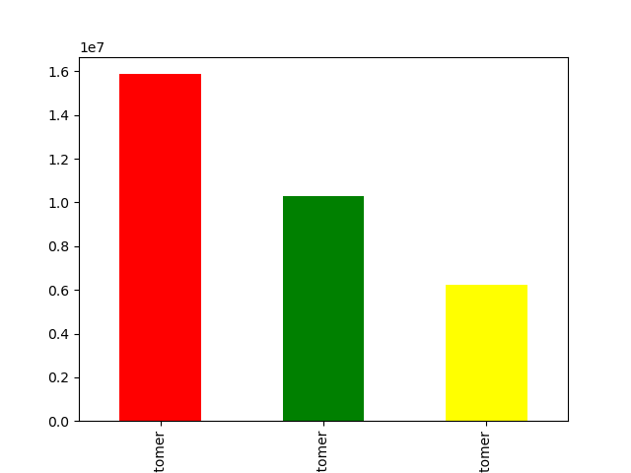
Regular customer
Loyal customer
New customer
maximum order


The loyal customer group has placed more orders in total than the new customer group. However, the loyal customer group has not placed as many orders as the regular customer group.
It is possible that the most popular order times have some connection to the average workday, with most people placing orders before they leave for work in the morning and others waiting until their lunbreaks or until after work to order groceries

 | 5. No of dependants by age |  |  | 6. Spending power by age




As age increases the income of the individual also increases and as opputunity to spend more. There is a positive relationship between age and income.
There is no relationship between age and no of dependants

 | 7. Family status |  |  | 8. Pet owners

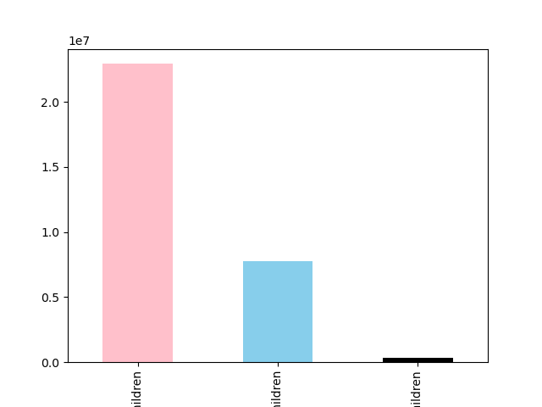
family with older children
family with no children
family with young children
Frequency of purchase
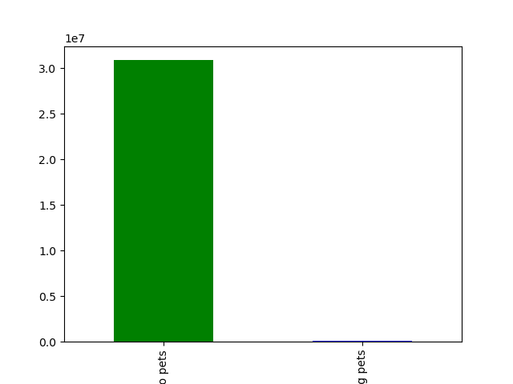
no pets
having pets
Frequency of purchase

Based on whether customers have dependents and whether they shop in the 'baby' department, it appears that instacarts customers are primarily parents of older children (here meaning children no longer needing baby items).
The purchase of pet related items are very less. It should be investigated further. It maybe because the products available are less or the brands of the pet foods or collection of pet things. Increase in pet related items can be considered.

 | 9. Age category

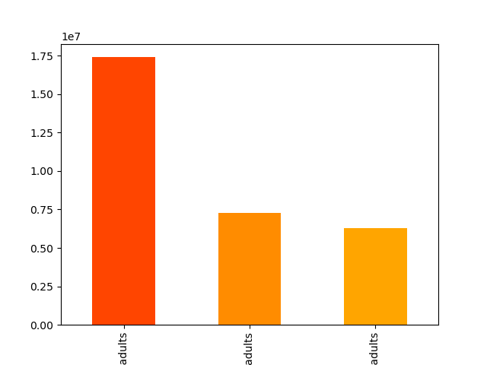
old adults
middle aged adults
young adults
Frequency of purchase

Most of the instacart orders are from old adults (age>46) category.

7. Recommendations
Recommendations

1. During the busiest days and hours of the week, exciting offers and discounts can be made to attract the customers.

2. Products related to people between 40-80 age can be increased as they are the high spenders.

3. The purchase of pet related items are vey less. So special attention need to be made to the products related to pet.

4. Most of the instacart customers are with youn children. So, purchase of baby items is very minimal. The procurement team can think of limiting the baby related items

